Main sheet
Client | -
Project | -
Location | -
Sign | - |  | Date: | -
Version 1.4 - Release date 04.02.2022
INPUT: |  |  |  |  |  |  |  |  |  | Page 1 of 1 | USER GUIDE:
- REMARK: DISCLAMER
.
 |  |  |  |  |  |  |  |  |  |  | Blue numbers: User input.
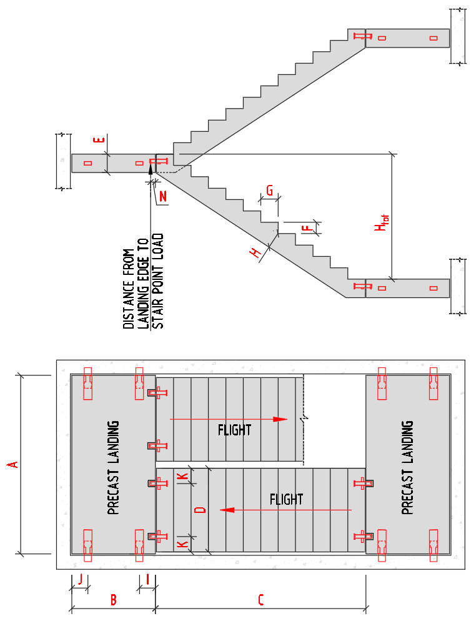
 |  |  |  |  |  |  |  |  |  |  | Green numbers: Relevant output.
 |  |  |  | GEOMETRY OF LANDING AND FLIGHT |  |  |  | MATERIAL |  |  | Black numbers: Results from calculations, or values extracted from tabulated input on other sheets.
 |  |  |  |  |  |  |  |  |  |  | Green text: Author's notes.
 |  |  |  | Landing length (A) | 3.50 | [m] |  | Concrete density | 25.00 | [kN/m3]
 |  |  |  | Landing width (B) | 1.40 | [m] |  | NOTE: Minimum concrete grade: C35/45
 |  |  |  | Flight length (C) | 3.00 | [m]
 |  |  |  | Flight width (D) | 1.20 | [m]
 |  |  |  | Landing thickness (E) | 265 | [mm] |  | VERTICAL LOADS ON FLIGHT AND LANDING
 |  |  |  | Rise (F) | 163 | [mm]
 |  |  |  | Going (G) | 250 | [mm] |  | Dead loads:
 |  |  |  | Waist (H) | 200 | [mm] |  | Finishes on landing | 0.00 | [kN/m2]
 |  |  |  | Tread No (Shall equal C/G) | 12 | [-] |  | Finishes on flight | 0.00 | [kN/m2]
 |  |  |  | Height stair, Htot (calculated) | 1.96 | [m]
 |  |  |  |  |  |  |  | Live load:
 |  |  |  |  |  |  |  | Landing | 4.00 | [kN/m2]
 |  |  |  | LANDING CONNECTIONS (TYPE TO BE SELECTED) |  |  |  | Flight | 4.00 | [kN/m2]

 |  |  |  | Dist. to front insert (I) | 180 | [mm]
 |  |  |  | Dist. to rear insert (J) | 180 | [mm] |  | ULS - LOAD FACTORS

 |  |  |  |  |  |  |  | Dead load factor ULS | 1.20 | [-]
 |  |  |  | FLIGHT CONNECTIONS (TYPE TO BE SELECTED) |  |  |  | Live load factor ULS | 1.50 | [-]

 |  |  |  | Edge distance (K) | 220 | [mm]
 |  |  |  | Dist. from landing edge to stair point load (N) | 70 | [mm]
 |  |  |  | TSS 20 FA: N=55mm (nominal value)
 |  |  |  | TSS 25 L : N=70mm (nominal value)

SUMMARY OF RESULTS:

MAXIMUM ULS LOAD ON INSERTS IN LANDING |  |  |  |  |  | MAXIMUM ULS LOAD ON INSERTS IN FLIGHT

Vertical load on each of the two rear inserts |  |  | 17.09 kN |  |  | Vertical load on each of the four inserts |  |  | 14.05 kN
Vertical load on each of the two front inserts |  |  | 48.14 kN |  |  | (Assuming 25% of total flight load on each support)

Temporary: Net vertical load on each of the two rear inserts when live load only on flight. |  |  | 5.14 kN | (OK - uplift cannot occur)

 | Performance of TSS/RVK units, and |  |  |  |  |  | Performance of TSS 20 FA/TSS 25 L units, and
 | recommended reinforcement pattern, see Memo 54 and 55 |  |  |  |  |  | recommended reinforcement pattern, see Memo 65/65A
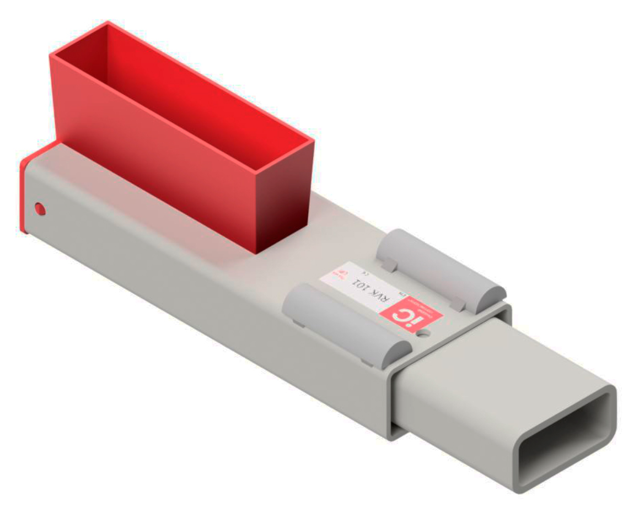
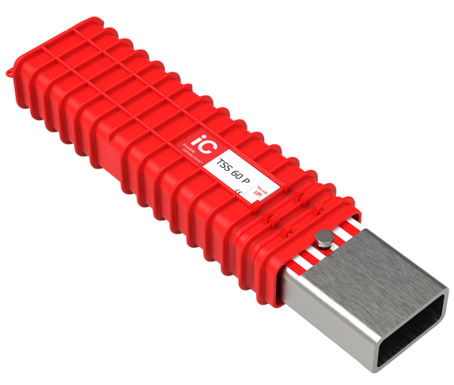
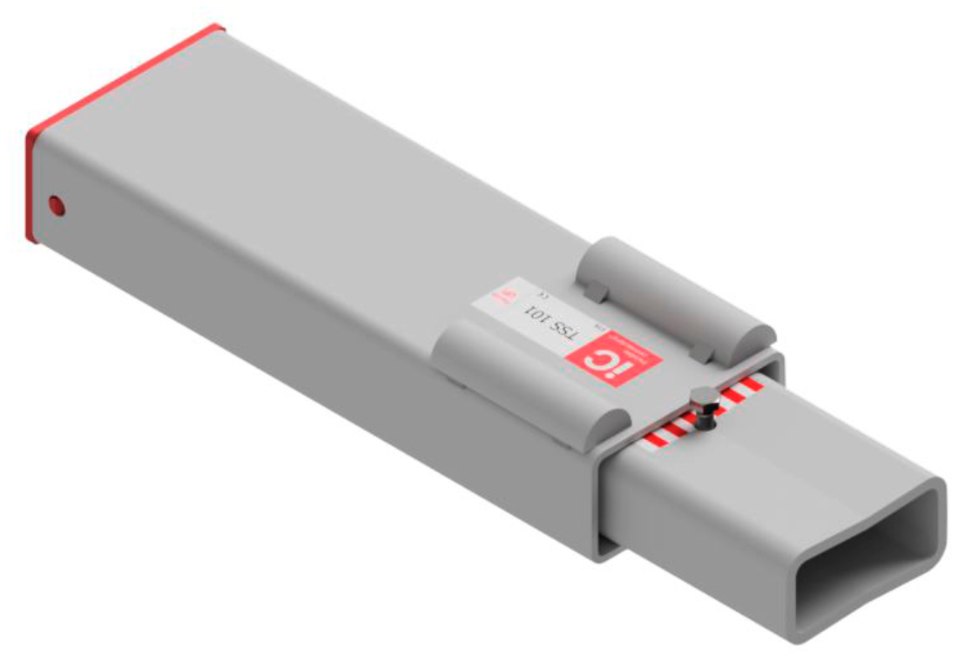
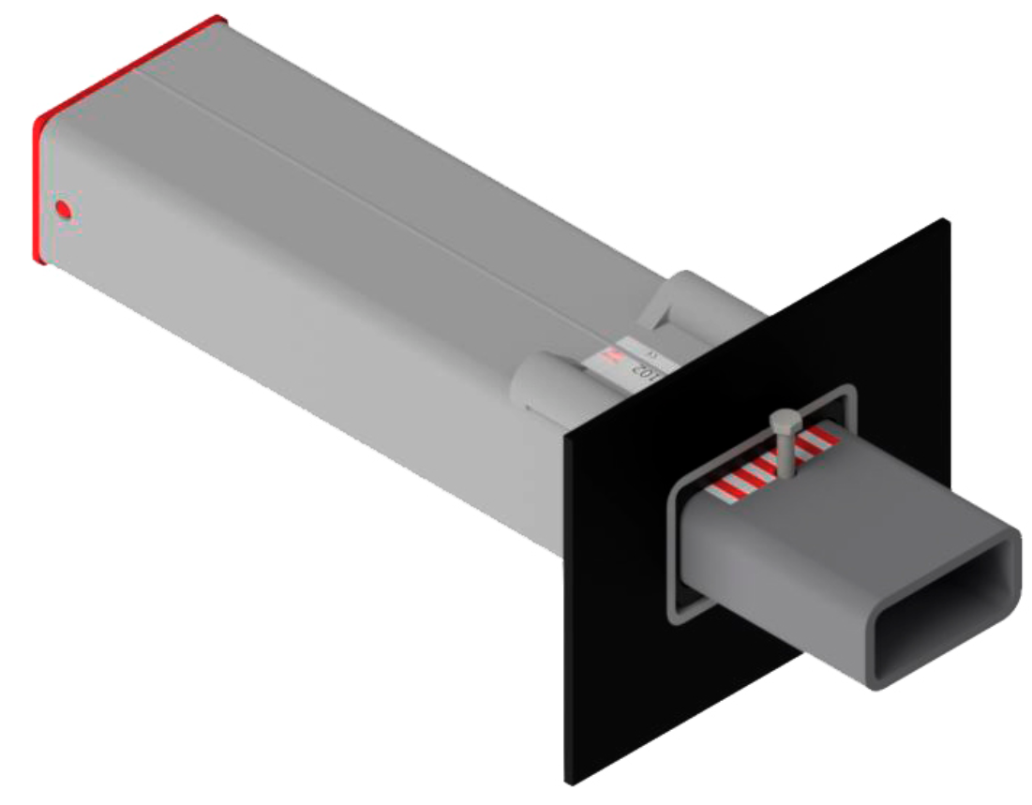
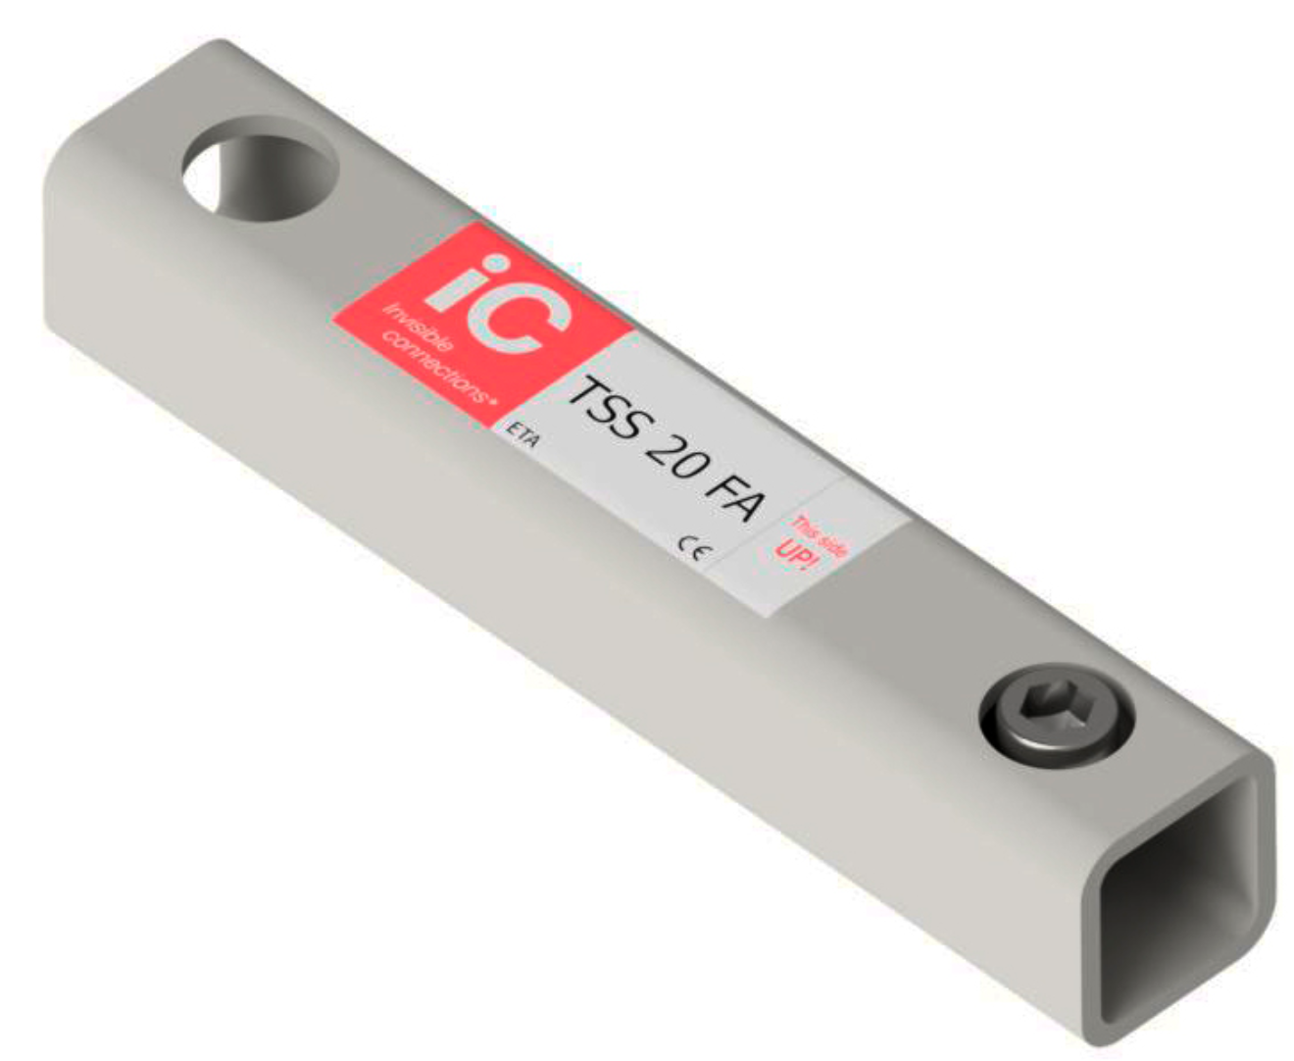
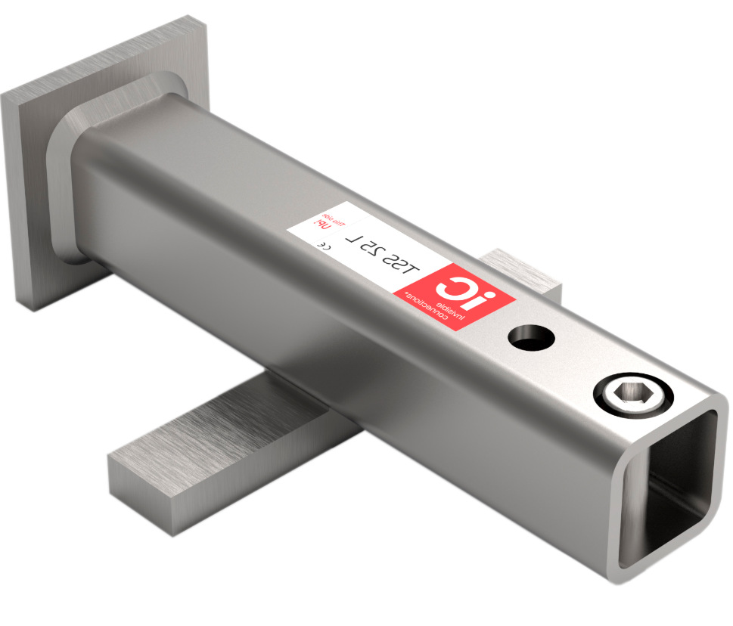

RVK 101 |  | TSS 101 | TSS 102 | RVK 60 P |  | TSS 60 P |  | TSS 25 L |  | TSS 20 FA

CALCULATIONS: STATIC LOAD ON FLIGHT AND LANDING

1) Static load on flight and landing:
Landing (one): |  |  |  |  |  | Flight (one):

 |  |  |  |  |  | Calculated length: |  | 3581 mm

Dead load |  |  |  |  |  | Dead load
Total weight of landing = |  | 32.46 kN |  |  |  | Total weight of waist = |  | 21.49 kN
Landing finishes = |  | 0.00 kN |  |  |  | Total weight of treads = |  | 7.34 kN
Total dead load landing = |  | 32.46 kN | x 1,2 = | 38.95 kN |  | Tread finishes = |  | 0.00 kN
 |  |  |  |  |  | Total dead load flight = |  | 28.82 kN | x 1,2 = | 34.58 kN

Live load |  |  |  |  |  | Live load
Live load on landing = |  | 19.60 kN |  |  |  | Live load on flight = |  | 14.40 kN
Total live load landing = |  | 19.60 kN | x 1,5 = | 29.40 kN |  | Total live load flight = |  | 14.40 kN | x 1,5 = | 21.60 kN

Total vertical load on landing itself: |  |  | QTot.Landing.ULS= | 68.35 kN |  | Total vertical load on one flight: |  | QTot.One.Flight.ULS= |  | 56.18 kN

2) Load on inserts in landing:

Vertical load on landing from two flights. |  |  |  |  | QTot.Flights.ULS=QTot.One.Flight.ULS/2 ∙ 2= |  |  |  | 56,18kN / 2 ∙ 2 = | 56.18 kN

Equilibrium of one half of landing and one flight. Assuming symmetry. Considering vertical load from flights to act at distance N from landing edge

LOAD ON LANDING CONNECTIONS FROM ONE FLIGHT ALONE: BY MOMENTS ABOUT REAR INSERT: |  |  |  |  |  | LOAD ON LANDING CONNECTIONS FROM LANDING ALONE: BY MOMENTS ABOUT REAR INSERT:

Force working at distance N from landing edge: |  |  | Rmax.ULS=QTot.One.Flight.ULS/2= | 28.09 kN
FFront.ULS.Flight = |  | (28,09kN ∙ 1150mm) / 1040mm = | 31.06 kN |  |  | FFront.ULS.Landing = |  | (68,35/2 kN ∙ 520mm) / 1040mm = | 17.08 kN
FRear.ULS.Flight = |  | 28,09kN - 31,06kN = | -2.97 kN |  |  | FRear.ULS.Landing = |  | 68,35/2kN - 17,08kN = | 17.09 kN

 |  |  | Rmax.ULS = 28,09kN |  |  |  | 520 mm | QTot.Landing.ULS /2= 34,17kN

 | 1040 mm | 110 mm |  |  |  |  | 1040 mm
 | FRear.ULS.Flight | FFront.ULS.Flight |  |  |  | FRear.ULS.Landing |  | FFront.ULS.Landing
 | = -2,97kN | = 31,06kN |  |  |  | = 17,09kN |  | = 17,08kN

Vertical load on rear inserts - ULS load on landing |  |  |  |  |  |  | = | 17.09 kN
Vertical load on rear inserts - ULS load on landing and flight |  |  |  |  |  |  | -2,97kN +(17,09kN) = | 14.12 kN
Vertical load on front inserts - ULS load on landing and flight |  |  |  |  |  |  | 31,06kN +17,08kN = | 48.14 kN
Control of total load: |  | QTot.Landing.ULS+QTot.Flights.ULS= | 124,53kN | Shall equal: |  |  | Total load on inserts ULS: =2x14,12kN+2x48,14kN= | 124,52kN

Temporary condition ULS - Control of uplift at rear insert. Assume minimum load on landing, but maximum load on flight:
Vertical load on rear inserts in landing - from self weight of landing (calculated by scaling of load) |  |  |  |  |  |  | 32,46kN /68,35kN ∙ 17,09kN = | 8.11 kN
Vertical load on rear inserts in landing - from ULS load on flight |  |  |  |  |  |  | = | -2.97 kN
Net vertical load on rear inserts |  |  |  |  |  |  |  | 5.14 kN | (No uplift)
DISCLAIMER: This spreadsheet is provided free of charge "AS IS" without warranty of any kind, express or implied. In no event, shall the author or Invisible Connections be liable for any claim, damages or other liability arising from use of the results from the spreadsheet. The user shall be familiar with the information and guidelines provided in relevant Memos (available for download on www.invisibleconnections.no), and have adequate qualifications and knowledge about design of concrete structures. The user shall always check the reasonableness of the results by other software or by hand calculations.

